EX1
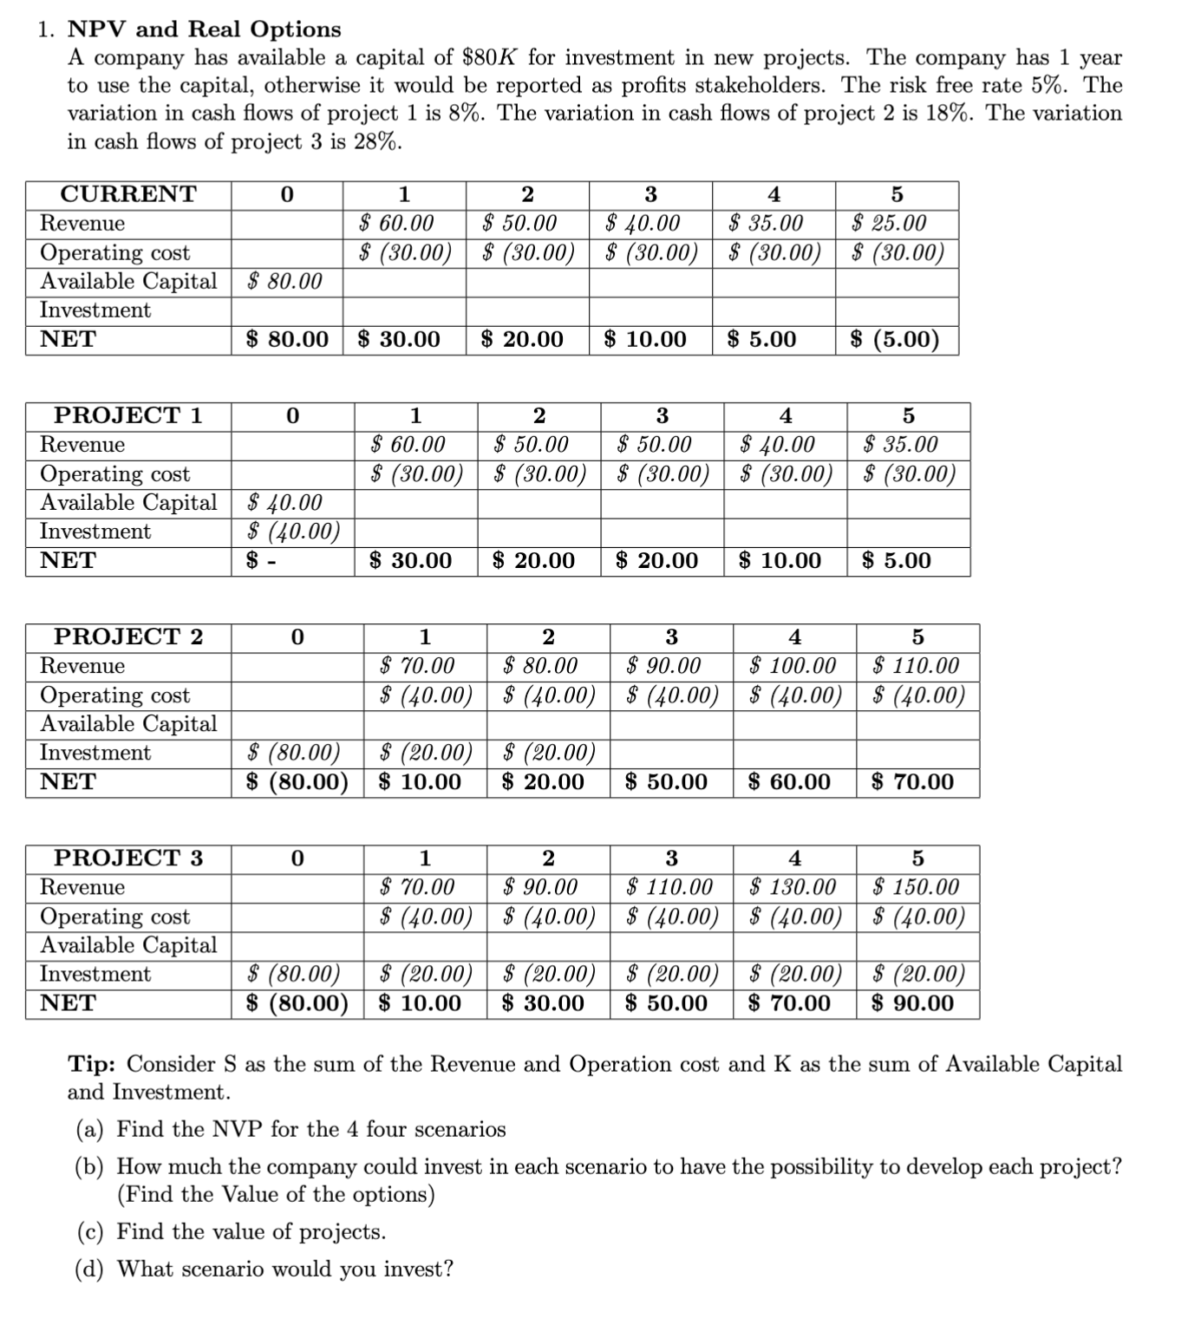
 | periodica | continua |  |  |  |  |  | periodica | continua |  |  |  |  |  | periodica | continua
r | 5% | 4.88% |  |  |  |  | r | 5% | 4.88% |  |  |  |  | r | 5% | 4.88%

CURRENT | 0 | 1 | 2 | 3 | 4 | 5 | CURRENT | 0 | 1 | 2 | 3 | 4 | 5 | CURRENT | 0 | 1 | 2 | 3 | 4 | 5
Revenue |  | 60 | 50 | 40 | 35 | 25 | Revenue |  | 60 | 50 | 40 | 35 | 25 | Revenue |  | 60 | 50 | 40 | 35 | 25
Operating cost |  | -30 | -30 | -30 | -30 | -30 | Operating cost |  | -30 | -30 | -30 | -30 | -30 | Operating cost |  | -30 | -30 | -30 | -30 | -30
Available Capital | 80 |  |  |  |  |  | Available Capital | 80 |  |  |  |  |  | Available Capital | 80
Investment |  |  |  |  |  |  | Investment |  |  |  |  |  |  | Investment
NET | 80 | 30 | 20 | 10 | 5 | -5 | NET | 80 | 30 | 20 | 10 | 5 | -5 | NET | 80 | 30 | 20 | 10 | 5 | -5
IRR | -64% |  |  |  |  |  | IRR | -64% |  |  |  |  |  | IRR | -64%
NPV | $135.65 |  |  |  |  |  | NPV | $135.65 |  |  |  |  |  | NPV | $135.65

sigma | 8% |  |  |  |  |  | sigma | 18% |  |  |  |  |  | sigma | 28%
PROJECT 1 |  |  |  |  |  |  | PROJECT 2 |  |  |  |  |  |  | PROJECT 3
Revenue |  | 60 | 50 | 50 | 40 | 35 | Revenue |  | 70 | 80 | 90 | 100 | 110 | Revenue |  | 70 | 90 | 110 | 130 | 150
Operating cost |  | -30 | -30 | -30 | -30 | -30 | Operating cost |  | -40 | -40 | -40 | -40 | -30 | Operating cost |  | -40 | -40 | -40 | -40 | -40
Available Capital | 40 |  |  |  |  |  | Available Capital |  |  |  |  |  |  | Available Capital
Investment | -40 |  |  |  |  |  | Investment | -80 | -20 | -20 |  |  |  | Investment | -80 | -20 | -20 | -20 | -20 | -20
NET | 0 | 30 | 20 | 20 | 10 | 5 | NET | -80 | 10 | 20 | 50 | 60 | 80 | NET | -80 | 10 | 30 | 50 | 70 | 90
IRR | #NUM! |  |  |  |  |  | IRR | 32% |  |  |  |  |  | IRR | 38%
NPV | $76.33 |  |  |  |  |  | NPV | $103.69 |  |  |  |  |  | NPV | $128.93

Diff Project 1 |  |  |  |  |  |  | Diff Project 2 |  |  |  |  |  |  | Diff Project 2
Revenue | 0 | 0 | 0 | 10 | 5 | 10 | Revenue | 0 | 10 | 30 | 50 | 65 | 85 | Revenue | 0 | 10 | 40 | 70 | 95 | 125
Operating cost | 0 | 0 | 0 | 0 | 0 | 0 | Operating cost | 0 | -10 | -10 | -10 | -10 | 0 | Operating cost | 0 | -10 | -10 | -10 | -10 | -10
Available Capital | -40 | 0 | 0 | 0 | 0 | 0 | Available Capital | -80 | 0 | 0 | 0 | 0 | 0 | Available Capital | -80 | 0 | 0 | 0 | 0 | 0
Investment | -40 | 0 | 0 | 0 | 0 | 0 | Investment | -80 | -20 | -20 | 0 | 0 | 0 | Investment | -80 | -20 | -20 | -20 | -20 | -20
NET | -80 | 0 | 0 | 10 | 5 | 10 | NET | -160 | -20 | 0 | 40 | 55 | 85 | NET | -160 | -20 | 10 | 40 | 65 | 95
IRR | -25% |  |  |  |  |  | IRR | 0% |  |  |  |  |  | IRR | 3.89%
NPV | -$59.32 | cua es el valor del proyecto del enfoque del proyecto |  |  |  |  | NPV | -$31.95 | cua es el valor del proyecto del enfoque del proyecto |  |  |  |  | NPV | -$6.72 | cua es el valor del proyecto del enfoque del proyecto
 |  | cuanto ganaria o perderia si hago el proyecto 1 en valor rpesente neto |  |  |  |  |  |  | cuanto ganaria o perderia si hago el proyecto 1 en valor rpesente neto |  |  |  |  |  |  | cuanto ganaria o perderia si hago el proyecto 1 en valor rpesente neto
No conviene invertir en el proyecto 1 |  | cal es el valor de la difusion |  |  |  |  | No conviene invertir en el proyecto 1 |  | cal es el valor de la difusion |  |  |  |  | No conviene invertir en el proyecto 1 |  | cal es el valor de la difusion

 | Call |  |  |  |  |  |  | Call |  |  |  |  |  |  | Call
So | $20.5872 |  |  |  |  |  | So | $127.3542 |  |  |  |  |  | So | $152.4868
K | $84.00 |  |  |  |  |  | K | $168.00 |  |  |  |  |  | K | $168.00
T | 1 |  |  |  |  |  | T | 1 |  |  |  |  |  | T | 1
r cont | 4.88% |  |  |  |  |  | r cont | 4.88% |  |  |  |  |  | r cont | 4.88%
sigma | 8.00% |  |  |  |  |  | sigma | 18% |  |  |  |  |  | sigma | 28%
d1 | -16.926994234 |  |  |  |  |  | d1 | -1.1777848878 |  |  |  |  |  | d1 | -0.031770026716
d2 | -17.006994234 |  |  |  |  |  | d2 | -1.3577848878 |  |  |  |  |  | d2 | -0.31177002672
N(d1) | 0.000000 |  |  |  |  |  | N(d1) | 0.119441 |  |  |  |  |  | N(d1) | 0.487328
N(d2) | 0.000000 |  |  |  |  |  | N(d2) | 0.087266 |  |  |  |  |  | N(d2) | 0.377608
N(-d1) | 1.000000 |  |  |  |  |  | N(-d1) | 0.880559 |  |  |  |  |  | N(-d1) | 0.512672
N(-d2) | 1.000000 |  |  |  |  |  | N(-d2) | 0.912734 |  |  |  |  |  | N(-d2) | 0.622392
Option | $0.000 | cual es el valor de la opcion |  |  |  |  | Option | $1.249 | cual es el valor de la opcion |  |  |  |  | Option | $13.894 | cual es el valor de la opcion
Project Value | -59.318611126 | cual es el valor del proyecto con enfoque de proyectos opciones reales |  |  |  |  | Project Value | -30.705057641 | cual es el valor del proyecto con enfoque de proyectos opciones reales |  |  |  |  | Project Value | 7.176832779 | cual es el valor del proyecto con enfoque de proyectos opciones reales
 |  | que valor de k o que valor de sigma hacen que el proyecto sea rentable, o que el project value sea especificamente cero |  |  |  |  |  |  | que valor de k o que valor de sigma hacen que el proyecto sea rentable, o que el project value sea especificamente cero |  |  |  |  |  |  | que valor de k o que valor de sigma hacen que el proyecto sea rentable, o que el project value sea especificamente cero

EX2
 | 0 | 1 | 2 | 3 | 4 | 5 | 6 | fluctuacion
S |  | 100 | 20 | 20 | 20 | 20 | 20 | 90%
K | 200
S en VP t=0 | 0.00 | 90.91 | 16.53 | 15.03 | 13.66 | 12.42 | 11.29
K en VP t=0 | 200.00 | 0.00 | 0.00 | 0.00 | 0.00 | 0.00 | 0.00
 | FORMULA | EXCEL
2. NPV and Real Options II
A new writer as published the first book of a series of two. The book is currently a best-seller, however there are doubts that the second part would be as good as the first one. The second part will be completed in 3 years. The author offers the copyrights in $20M. DC and Marvel are evaluating to buy in advance right of the story. They cannot produce the movie until the second part of the book is completed.
The current cash flow estimation if the movie is produced today is $100M the first year (at the end) and the $20M for the next 5 years with a fluctuation of 90%. The estimated cost of a high-quality movie is $200 right now. The risk capital rate is 10% and the risk free rate is 3%.
(a) The authors offer for the copyrights is fair?
(b) What would the a fair value for the copyrights (project)?
(c) What value of the cost makes the project profitable for DC/Marvel?
St en t=0 | $159.83 | $159.83
K en t=0 | $200.00 | $200.00
NPV | -$40.17

So | $159.83
K en T | $200.00 | en tiempo de maduracion T
sigma | 90%
r periodica | 10.00%
r continua | 9.53%
T | 5
Cash
d1 | 1.1316292032
d2 | -0.88083197658
N(d1) | 0.87110482141
N(d2) | 0.1892043848
N(-d1) | 0.12889517859
N(-d2) | 0.8107956152 |  |  | a) | Como el VPN se muestra negativo -$47.46M esto significa que el proyecto no es rentable y por lo tanto, la oferta del autor de $20M es demasiado alta.

Call | $115.7346
VPN | -$40.1675
Project | $75.5671

Ejercicio 2
 | 0 | 1 | 2 | 3 | 4 | 5 | 6 | fulcutaicon
S |  | 100 | 20 | 20 | 20 | 20 | 20 | 90%
K | 200
S en VP t=0 | 0.00 | 90.91 | 16.53 | 13.52 | 11.06 | 9.05 | 7.41
K en VP t=0 | 200.00 | 0.00 | 0.00 | 0.00 | 0.00 | 0.00 | 0.00
2. NPV and Real Options II
A new writer as published the first book of a series of two. The book is currently a best-seller, however there are doubts that the second part would be as good as the first one. The second part will be completed in 3 years. The author offers the copyrights in $20M. DC and Marvel are evaluating to buy in advance right of the story. They cannot produce the movie until the second part of the book is completed.
The current cash flow estimation if the movie is produced today is $100M the first year (at the end) and the $20M for the next 5 years with a fluctuation of 90%. The estimated cost of a high-quality movie is $200 right now. The risk capital rate is 10% and the risk free rate is 3%.
(a) The authors offer for the copyrights is fair?
(b) What would the a fair value for the copyrights (project)?
(c) What value of the cost makes the project profitable for DC/Marvel?
 | FORMULA |  |  |  |  |  |  |  |  | FORMULA
St en t=0 | $148.49 |  |  |  |  |  |  |  | St en t=0 | $148.49
K en t=0 | $200.00 |  |  |  |  |  |  |  | K en t=0 | $148.49
NPV | -$51.51 |  |  |  |  |  |  |  | NPV | -$51.51

So | $148.49 |  |  |  |  |  |  |  | So | $148.49
K en T | $200.00 | en tiempo de maduracion T |  |  |  |  |  |  | K en T | $148.49
sigma | 53% |  |  |  |  |  |  |  | sigma | 30%
r periodica | 10.00% |  |  |  |  |  |  |  | r periodica | 10.00%
r continua | 9.53% |  |  |  |  |  |  |  | r continua | 9.53%
T | 3 | tiempo restante hasta finalizacion de la segunda parte del libro |  |  |  |  |  |  | T | 3
Cash |  |  |  |  |  |  |  |  | Cash
d1 | 0.44603862466 |  |  |  |  |  |  |  | d1 | 0.8100812008
d2 | -0.47194830335 |  |  |  |  |  |  |  | d2 | 0.29046595853
N(d1) | 0.67221532712 |  |  |  |  |  |  |  | N(d1) | 0.79105324595
N(d2) | 0.31848184448 |  |  |  |  |  |  |  | N(d2) | 0.61427010508
N(-d1) | 0.32778467288 |  |  |  |  |  |  |  | N(-d1) | 0.20894675405
N(-d2) | 0.68151815552 |  |  | a) | Como el VPN se muestra negativo -$51.51M esto significa que el proyecto no es rentable y por lo tanto, la oferta del autor de $20M es demasiado alta. |  |  |  | N(-d2) | 0.38572989492

Call | $51.9589 |  |  |  |  |  |  |  | Call | $48.9327
VPN | -$51.5134 |  |  | b) | El fair value del proyecto seria de $29.73M de dolares para el copyright del projecto |  |  |  | VPN | -$51.5134
Project | $0.4455 |  |  |  |  |  |  |  | Project | $48.9327
 |  |  |  | c) | Para hacer el proyecto en opciones reales mas rentable se podria tomar un 53% en volatilidad o tener un costo de$ 148.49

EX3
PREMIUM | 20%
NPV1 | -$60.00 | Se multiplica el premium y se le agregan los costos legales
LEGAL COST | $5.00
SALES | $2.00
3. NPV and Real Options III
On the black Friday, Xerox was granted a loan and is evaluating to acquire another company. The current market value of HPQ $50B. To acquire the company Xerox would need to pay a 20% premium.
(Transaction 1)
The legal procedures and synergies cost would take 1 year and are estimated at $5B in net present value. The company could pay interest on the loan to have the capital available to complete the transaction. The global market of HPQ would enable Xerox to increase sales (the year after the legal procedures are completed) of $2B each year for the next 10 years with a historical variation of 50%. (Transaction 2)
(a) What the NPV of transaction 1?
(b) What the NPV of transaction 2?
(c) What the NPV of acquisition?
(d) What are the value of interest Xerox could pay to have the capital available to complete the transaction. Under ROA, what the value of the project?
(e) What the maximum/minimum rate of premiu
m in transaction 1 that Xerox can afford to make the transaction profitable? (Answer in %, it could be negative)
NPV2 | $3.38
NPV TOTAL | -$56.62 |  | MAXIMUM
 |  |  | So | $3.38
 |  |  | K en T | $60.00 | en año 10
So | $3.38 |  | sigma | 50%
K en T | $60.00 | en año 10 | r periodica | 72057594037936150%
sigma | 50% |  | r continua | 3421.11%
r periodica | 20.00% |  | T | 10
r continua | 18.23% |  | Cash
T | 10 |  | d1 | 215.3420722
Cash |  |  | d2 | 213.76093337
d1 | 0.12535801104 |  | N(d1) | 1
d2 | -1.455780819 |  | N(d2) | 1
N(d1) | 0.54987993592 |  | N(-d1) | 0
N(d2) | 0.072726609896 |  | N(-d2) | 0
N(-d1) | 0.45012006408
N(-d2) | 0.9272733901 |  | Call | $3.3849
 |  |  | VPN | -$56.6151
Call | $1.1566 |  | Project | -$53.2301
VPN | -$56.6151
Project | -$55.4585

EX4 EXCHANGE
MARGRABE EXCHANGE
 | DS a FE | FE a DS
S1 (FE) | $4.26 | $4.03 |  | FE | DS
S2 (DS) | $4.03 | $4.26 | St | 5.4 | 5.7
T | 1 | 1 | C en t=0 | 1.1428571429 | 1.6666666667 | 0.52380952381 | b)
S1 yield q1 | 5.00% | 5.00% | NPV | $4.26 | 4.0333333333
S2 yield q2 | 5% | 5%
Sigma S1 | 0.15 | 0.25 | C en T=1 | 1.2 | 1.75
Sigma S2 | 0.25 | 0.15
CORRELATION | 0.500000 | 0.500000 | r | 5% | 5%
SPREAD VOLATILITY | 0.217945 | 0.217945 | T | 1 | 1
d1 | 0.356765 | -0.138820
d2 | 0.138820 | -0.356765
N(d1) | $0.6394 | $0.4448
N(d2) | $0.56 | $0.36
4. Exchange
Consider that you are a 7th semester ITESO Financial Engineer and you have exactly one year left to graduate. You have the concern of changing your career to Data Science. The current time net present value of a FE’s income in the labor market equals $5.4M with 15% volatility and a data scientist’s income is $5.7M with 25% volatility. There is a correlation of 0.5 between both incomes. Salaries for both are expected to grow at the rate of 3% inflation (continuous). The risk-free rate is 5% (continuous). The NPV cost of the FE and Data Science degree is $1.2M. If you want to graduate in Data Science you will have to take extra courses at a cost of $0.55M. If you pay and take those subjects, in 1 year you can choose how to graduate, as IF or as a Data Scientist.
(a) What would you do?
(b) How much would you pay for the extra courses?
(c) What would you do if you have 2 years to graduate instead of 1?
Option | $0.459 | $0.246

a) I would change and study Data Scientist
b) I would pay $0.5238M for the extra courses

EX5 RENEWAL
year | Flow | Present t=0 | rate continuos | 5%
0 |  | - | Tasa Periodica | 5.13%
1 | $500,000.00 | $476,190.48
2 | $500,000.00 | $453,514.74 |  |  | Call
3 | $500,000.00 | $431,918.80 |  | So | $2,164,738.34
4 | $500,000.00 | $411,351.24 | $50,000.00 | K | $628,894.63
5 | $500,000.00 | $391,763.08 |  | T | 10
6 | $500,000.00 | $373,107.70 |  | drift | -18.23% | 20.00% | decays
7 | $500,000.00 | $355,340.67 |  | sigma | 40%
8 | $500,000.00 | $338,419.68 |  | d1 | 0.16829284863
9 | $500,000.00 | $322,304.46 |  | d2 | -1.0966182154
10 | $500,000.00 | $306,956.63 |  | N(d1) | 0.566824
 | NPV | $2,164,738.34 |  | N(d2) | 0.136404
 | NPV Excel | $2,164,738.34 |  | N(-d1) | 0.433176
 | PV | $2,164,738.34 |  | N(-d2) | 0.863596
 |  |  |  | Option | $1,175,651.310
year to move in the future | Flow | Future T=5
10 | $500,000.00 | $814,447.31 |  | St*N(d1) | $1,227,024.67
9 | $500,000.00 | $775,664.11 |  |  | $51,373.36
5. Renewal
A company recently acquire a machine that produces 100k units per year. There is a contract to sell each unit at $5. The productivity of the machine decays at a rate of -20% each year (continuous) with a volatility of 40%. The yearly maintenance cost are $50k. The risk free rate is 5% (continuous).
(a) When is the optimal time to renew?
(b) The company want to renew the machine every 10 years for tax purposes. What would be the yearly maintenance cost to achieve this target?
8 | $500,000.00 | $738,727.72
7 | $500,000.00 | $703,550.21
6 | $500,000.00 | $670,047.82
5 | $500,000.00 | $638,140.78
4 | $500,000.00 | $607,753.13
3 | $500,000.00 | $578,812.50
2 | $500,000.00 | $551,250.00
1 | $500,000.00 | $525,000.00
0 | $500,000.00 | $500,000.00
 | NFV | $6,288,946.27
 | NFV Excel | NA
 | FV | $2,762,815.63

